A3 Single Interface Requirement
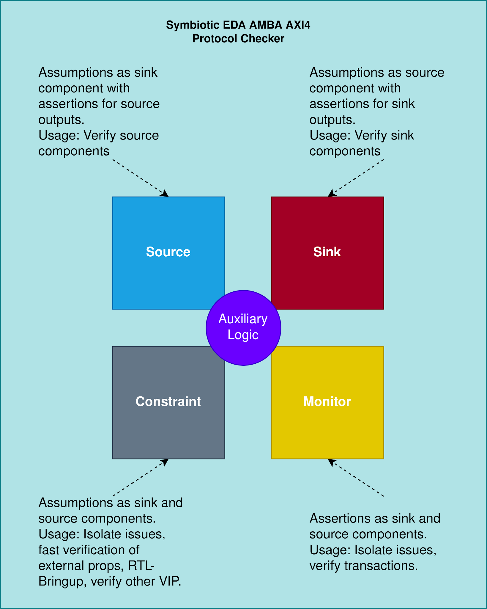
AXI4 Lite/Full Propositions
Whomever said AXI is the most clear SPEC out there, it’s clearly wrong!. |  |  | Architecture

A3.1 Clock and reset
A3.1.1 Clock
Type | Rule | Proposition
 | The earliest point after reset that a master is permitted to begin driving ARVALID, AWVALID, or WVALID HIGHis at a rising ACLK edge after ARESETn is HIGH. | Let ep = earliest_point G (ep → ¬(AWVALID)) G (ep → ¬(ARVALID)) G (ep → ¬(WVALID)) G (ep → ¬(BRVALID)) G (ep → ¬(RVALID))
 | For power-up/power-down handshake: At the start of the sequence in Figure A9-1, both CSYSREQ and CSYSACK are HIGH for normal clocked operation. At time T1, the system clock controller drives CSYSREQ LOW, indicating a request for the peripheral to enter a low-power state. | If CSYSREQ and CSYSACK are driven by the system clock controller, that implies “clock and reset” props apply here as well. G (ep → (CSYSREQ)) G (ep → (CSYSACK))

